Sheet1
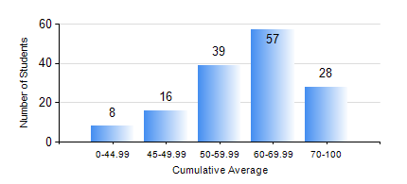
 |  |  | KWAME NKRUMAH UNIVERSITY OF SCIENCE AND TECHNOLOGY, KUMASI Department of Telecommunication Engineering

 |  |  | BSC. TELECOMMUNICATION ENG.

 |  |  | COMPREHENSIVE RECORD OF EXAMINATION RESULTS

 |  |  | RESULTS OF YEAR 3 FIRST SEMESTER, 2024/2025 ACADEMIC YEAR

 | Sn | Course Code |  | Course Name | Credit Hours | Min. Mark | Max. Mark | Avg. Mark | Std. Dev. | No. Passed | No. Trailed | No. (Df) | No. (I) | No. (I*) | No. Tagged(I,I*,Df) | Total
 | 0. |  |  |  |  |  |  | 0 | 0 | 0 | 0 | 0 | 0 | 0 | 0 | 6
 | 1. | EE 371 |  | MICROELECTRONIC CIRCUITS | 3 | 18 | 88 | 58 | 13.53 | 136 | 6 | 0 | 0 | 0 | 0 | 142
 | 2. | MATH 351 |  | NUMERICAL ANALYSIS | 2 | 14 | 86 | 57 | 12.96 | 134 | 8 | 0 | 0 | 0 | 0 | 142
 | 3. | TE 291 |  | ANALOG COMMUNICATION LAB | 2 | 52 | 52 | 52 | 0 | 1 | 0 | 0 | 0 | 0 | 0 | 1
 | 4. | TE 351 |  | INFORMATION THEORY AND CODING | 3 | 10 | 87 | 55 | 14.84 | 132 | 10 | 0 | 0 | 0 | 0 | 142
 | 5. | TE 353 |  | RANDOM VARIABLES AND STOCHASTIC PROCESSES | 2 | 3 | 93 | 56 | 15.9 | 128 | 14 | 0 | 0 | 0 | 0 | 142
 | 6. | TE 355 |  | SIGNALS AND SYSTEMS | 3 | 11 | 92 | 54 | 16.58 | 121 | 21 | 0 | 0 | 0 | 0 | 142
 | 7. | TE 357 |  | OPTICAL COMMUNICATION | 3 | 6 | 90 | 55 | 21.42 | 126 | 16 | 0 | 0 | 0 | 0 | 142
 | 8. | TE 391 |  | OPTICAL COMMUNICATION LAB | 2 | 40 | 91 | 76 | 9.57 | 138 | 0 | 4 | 0 | 0 | 4 | 142

